Sheet1
PT SUMI RUBBER INDONESIA
WI | CARA MEMBACA TICKET JLB & PENULISAN LOT JLB DI LOT ASSURANCE BUILDING 2ND |  |  |  |  |  |  |  |  |  | WE - 859

 | Latar Belakang | : Implementasi Barcode Label di JLB Slitter
 | Ruang Lingkup | : Building PCR Produksi 3 & 4
 | PIC | : Opr, Ldr, FM, Spv Prod. 3 & 4

 | Cara Baca Ticket JLB
 | Gambar |  |  |  |  | Keterangan
1
3
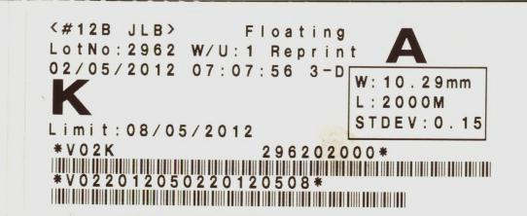
2
 |  |  |  |  | 1. Nomor Mesin JLB Slitter
 |  |  |  |  | 2. Lot Number JLB Slitter
 |  |  |  |  | 3. Posisi Windup di Mesin JLB Slitter
 |  |  |  |  | 4. Penulisan Lot JLB Slitter di Lot Assurance Building 2nd :
(12A - 5 - 1254)

Issued Date |  | Approved by, |  | Checked by, |  |  |  | Prepared by, |  | Page

 |  |  |  |  |  |  |  |  |  |  | 1/1

 |  | Sutrisno | Juhdi M. |  |  |  | Chandra W. |  | Fahmi P. L.

